Region 6
INSTRUCTIONS
Each agency will enter the number of scopes requested for each row into column F.
For Risk Reduction Activities and Risk-targeted Integrated STI/VH Prevention, you will request the total number scopes requested for each intervention you will provide.
Example for Risk Reduction Acivities: if your agency will provide 10 HIV Navigation, 25 Partnerhsip for Health, and 5 Harm Redcution activites to Black MSM, you will enter in 40 in the corresponding cell.
Example for Integrated STI/VH testing: if your agency would like to provide 5 GC/CT tests, 5 Syphilis tests, and 0 Hepatitis C test to BMSM, you will enter in 10 scopes in the corresponding cell.
If your agency is selected as a RIG site, you will work with your Lead Agent to negotiate and finalize scope allocation.
 | Agency Name: | ________________________________________________________________________________________

Region 6 |  | Award Amount Avaliable in the Region | Scope Amount Available in the Region
 | SFY 27 Region 6 | Award | Scopes
 | Peer Staffing | $18,093.85 | 0
 | Peer Recruitment | $21,286.88 | 0
 | Risk-Based HIV Testing & Referral | $48,959.83 | 327
 | STI Testing | $15,965.16 | 108
 | Risk Reduction Positive & Negative | $24,479.92 | 163
 | Surveillance Based Services | $38,316.39 | 255
 | Monthly Condom Distribution | $11,707.79 | 78
 | SFY27 Regional Total | $178,809.82 | 931

 | SFY27 IDPH Regional HIV Prevention Service Plan |  |  |  |  | this column has formulas that will compute:

 |  |  |  |  | Scopes Agency is Requesting | Funding Requested
Region 6 | Service Class | Serostatus | Race/Ethnicity Risk | Scope Units available
 | Surveilance-Based Services | HIV+ | Any Race, Any Risk | 255 |  | $-
 |  |  |  | SBS Subtotal | 0 | $- | Which HIV testing method would you provide? Check all that apply.
 | Risk-targeted HIV Counseling & Testing | HIV-Neg/Unk | Black/AA MSM | 42 |  | $- | FALSE | Venipuncture
 | Risk-targeted HIV Counseling & Testing | HIV-Neg/Unk | Black/AA Hetero Men | 30 |  | $- | FALSE | Alere Determine
 | Risk-targeted HIV Counseling & Testing | HIV-Neg/Unk | Black/AA Hetero Women | 34 |  | $- | FALSE | Chembio Sure Check
 | Risk-targeted HIV Counseling & Testing | HIV-Neg/Unk | White MSM | 28 |  | $- | FALSE | Insti
 | Risk-targeted HIV Counseling & Testing | HIV-Neg/Unk | Hispanic/Latine MSM | 49 |  | $- | FALSE | Not sure
 | Risk-targeted HIV Counseling & Testing | HIV-Neg/Unk | Hispanic/Latine Hetero Men | 35 |  | $-
 | Risk-targeted HIV Counseling & Testing | HIV-Neg/Unk | Hispanic/Latine Hetero Women | 26 |  | $-
 | Risk-targeted HIV Counseling & Testing | HIV-Neg/Unk | Any MSM/PWID | 26 |  | $-
 | Risk-targeted HIV Counseling & Testing | HIV-Neg/Unk | Any PWID | 37 |  | $-
 | Risk-targeted HIV Counseling & Testing | HIV-Neg/Unk | Any Transgender Individual | 20 |  | $-
 |  |  |  | Risk-targted HIV subtotal | 0 | $- | Which STI testing would you provide? Check all that apply.
 | Risk-targeted Integrated STI/VH Prevention | HIV-Neg/Pos/Unk | Black/AA MSM | 14 |  | $- | FALSE | GC/CT
 | Risk-targeted Integrated STI/VH Prevention | HIV-Neg/Pos/Unk | Black/AA Hetero Men | 10 |  | $- | FALSE | Syphilis
 | Risk-targeted Integrated STI/VH Prevention | HIV-Neg/Pos/Unk | Black/AA Hetero Women | 11 |  | $- | FALSE | Hepatitis C
 | Risk-targeted Integrated STI/VH Prevention | HIV-Neg/Pos/Unk | White MSM | 9 |  | $- | FALSE | Not Sure
 | Risk-targeted Integrated STI/VH Prevention | HIV-Neg/Pos/Unk | Hispanic/Latine MSM | 16 |  | $-
 | Risk-targeted Integrated STI/VH Prevention | HIV-Neg/Pos/Unk | Hispanic/Latine Hetero Men | 12 |  | $-
 | Risk-targeted Integrated STI/VH Prevention | HIV-Neg/Pos/Unk | Hispanic/Latine Hetero Women | 9 |  | $-
 | Risk-targeted Integrated STI/VH Prevention | HIV-Neg/Pos/Unk | Any MSM/PWID | 9 |  | $-
 | Risk-targeted Integrated STI/VH Prevention | HIV-Neg/Pos/Unk | Any PWID | 12 |  | $-
 | Risk-targeted Integrated STI/VH Prevention | HIV-Neg/Pos/Unk | Any Transgender Individual | 6 |  | $-
 |  |  |  | Risk-targated STI/VH subtotal | 0 | $- | What Risk Reduction Activity would you provide? Check all that apply.
 | Risk Reduction Negatives & Positives | HIV-Neg/Pos/Unk | Black/AA MSM | 21 |  | $- | FALSE | ARTAS | FALSE | Sister to Sister
 | Risk Reduction Negatives & Positives | HIV-Neg/Pos/Unk | Black/AA Hetero Men | 15 |  | $- | FALSE | Clear | FALSE | Stay Connected
 | Risk Reduction Negatives & Positives | HIV-Neg/Pos/Unk | Black/AA Hetero Women | 17 |  | $- | FALSE | Defend Yourself! | FALSE | TWIST
 | Risk Reduction Negatives & Positives | HIV-Neg/Pos/Unk | White MSM | 14 |  | $- | FALSE | Healthy Relationships | FALSE | VOICES/VOCES
 | Risk Reduction Negatives & Positives | HIV-Neg/Pos/Unk | Hispanic/Latine MSM | 24 |  | $- | FALSE | HIV Navigation Services (HNS) | FALSE | WILLOW
 | Risk Reduction Negatives & Positives | HIV-Neg/Pos/Unk | Hispanic/Latine Hetero Men | 18 |  | $- | FALSE | Many Men, Many Voices (3MV) | FALSE | HEART
 | Risk Reduction Negatives & Positives | HIV-Neg/Pos/Unk | Hispanic/Latine Hetero Women | 13 |  | $- | FALSE | Mpowerment | FALSE | SMART Couples
 | Risk Reduction Negatives & Positives | HIV-Neg/Pos/Unk | Any MSM/PWID | 13 |  | $- | FALSE | Project Start | FALSE | Partnership for Health
 | Risk Reduction Negatives & Positives | HIV-Neg/Pos/Unk | Any PWID | 18 |  | $- | FALSE | PROMISE | FALSE | Other
 | Risk Reduction Negatives & Positives | HIV-Neg/Pos/Unk | Any Transgender Individual | 10 |  | $- | FALSE | Safe in the City |  | If other, what?________________________________
 |  |  |  | Risk Reduction subtotal | 0 | $- | FALSE | Sin Buscar Excusas/No Excuses | FALSE | Not sure
 | Condom Distribution | Any | Any Race, Any Prioritized Population | 78 |  | $-
 |  |  |  | Condom Subtotal | 0 | $-

 |  |  |  | Scopes Requested Grand Total | 0 | $-

 | Staffing |  | Enter the amount of Peer Staffing Dollars your Agency is requesting of the $18,093.85 available in the region.
 | Recruit |  | Enter the amount of Peer Recruitment Dollars your Agency is requesting of the $21,286.88 available in the region.
 | Scopes | $- | Amount will calculate based on what is entered in colums F and G. Do not change.
 | TOTAL | $- | Amount will calculate based on what is in cells C61-C63. Do not change. Use this amount to prepare your Budget with your application.

SFY27 IDPH Regional Funding
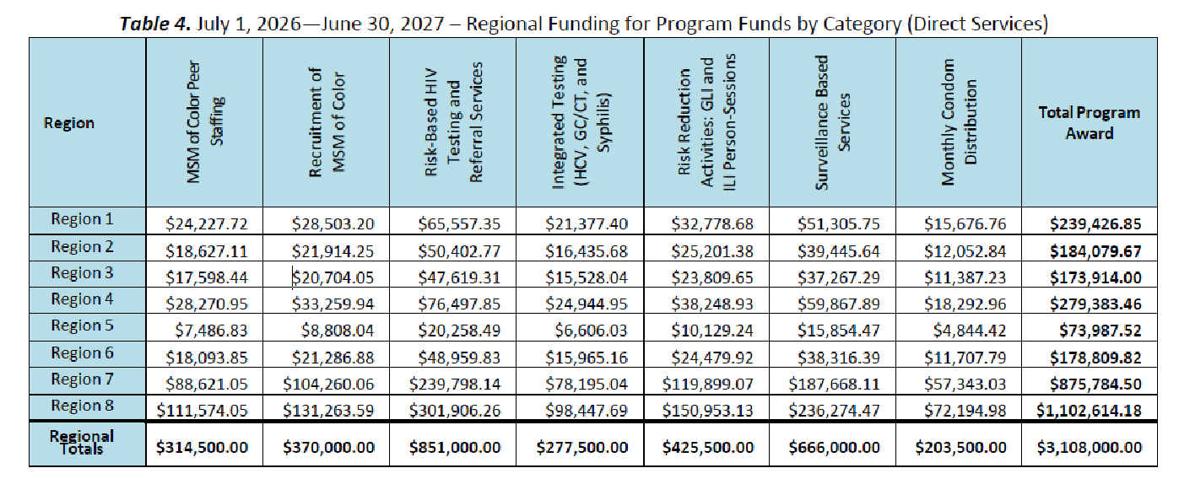

SFY27 IDPH Service Plan
